KPI_Summary
KPI Performance summary
KPI | Value
Total emoployees | 100
Avg Performance | 6
Total Tasks | 1016
Avg Achievement % | 102%
Bonus Eligibility rate% | 46%
Average managementrate% | 2.93
salary vs Achievement% correlation | -0.090445709

HR Dashboard
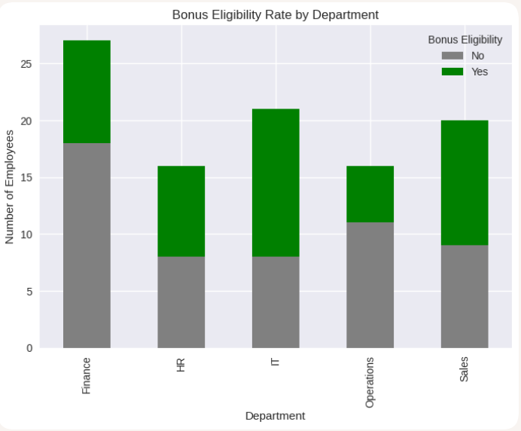
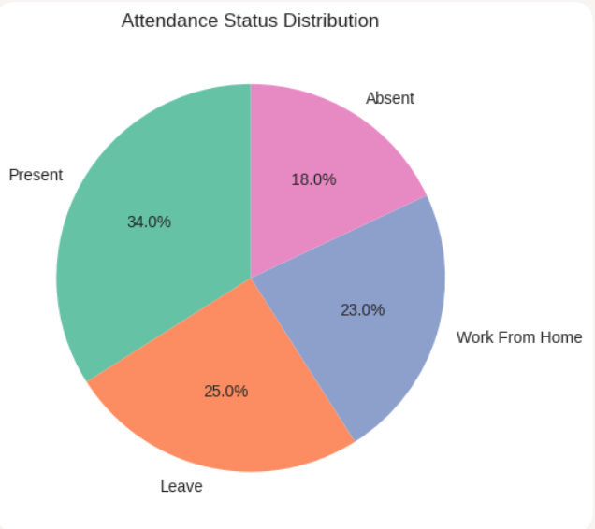
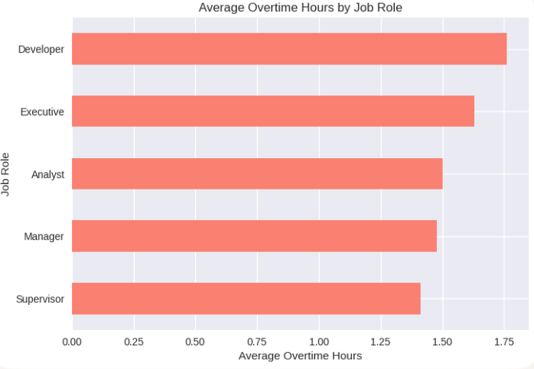
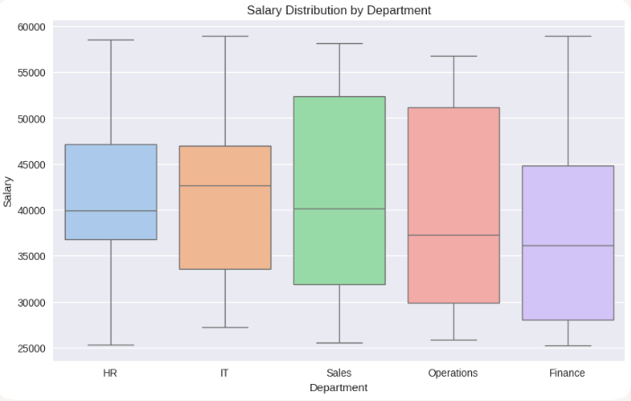
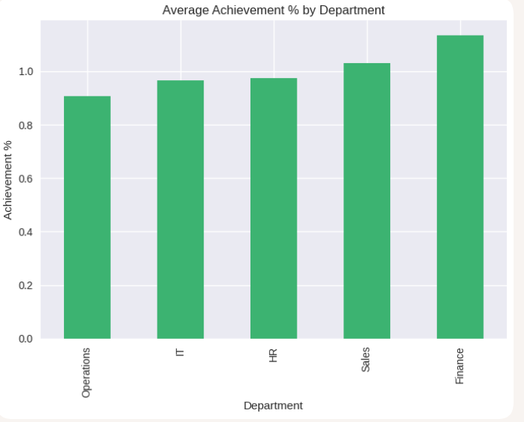
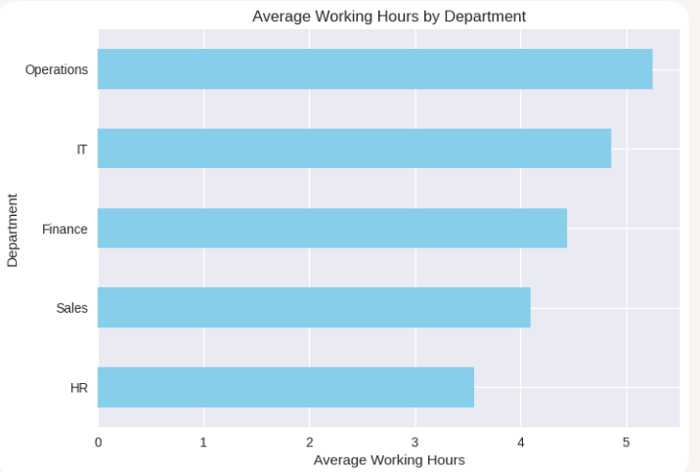
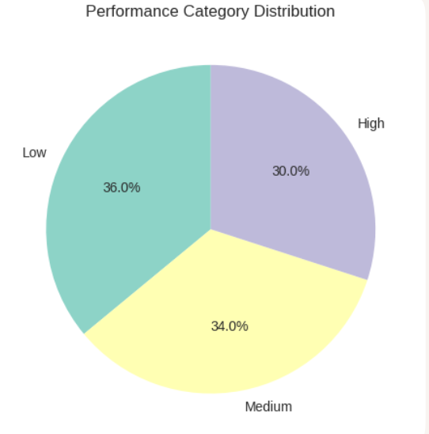
HR DASHBOARD

Final_Dashboard
 |  | FINAL DASHBOARD

Performance by Department
Department | Avg Performance
Sales | 5.95
HR | 6.0625
IT | 6.5238095238
Finance | 5.4074074074

Column1 | Column2
Total Employees | 100
Avg Performance | 5.81

